CB Simulation
Chapter 5.3 Simulation Exercise
Table 5-4 Data |  | Page 164-165
 |  |  |  |  | Beta |  |  |  |  |  |  | Triangular
Activity | Pred. | Min | Normal | Max | Te | Var | Activity | Pred. | Min | Normal | Max | Te | Var
a | -- | 8 | 10 | 16 | 10.67 | 1.78 | a | -- | 8 | 10 | 16 | 11.33 | 1.78
b | a | 11 | 12 | 14 | 12.17 | 0.25 | b | a | 11 | 12 | 14 | 12.33 | 0.25
c | b | 7 | 12 | 19 | 12.33 | 4.00 | c | b | 7 | 12 | 19 | 12.67 | 4.00
d | b | 6 | 6 | 6 | 6.00 | 0.00 | d | b | 6 | 6 | 6 | 6.00 | 0.00
e | b | 10 | 14 | 20 | 14.33 | 2.78 | e | b | 10 | 14 | 20 | 14.67 | 2.78
f | c, d | 6 | 10 | 10 | 9.33 | 0.44 | f | c, d | 6 | 10 | 10 | 8.67 | 0.44
g | d | 5 | 10 | 17 | 10.33 | 4.00 | g | d | 5 | 10 | 17 | 10.67 | 4.00
h | e, g | 4 | 8 | 11 | 7.83 | 1.36 | h | e, g | 4 | 8 | 11 | 7.67 | 1.36

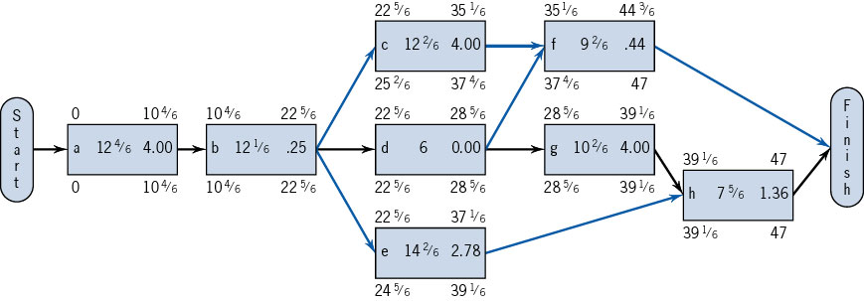
 |  |  |  | Statistical Approach
Typical Deterministic View |  |  |  |  | Goal | 46 | Crystal Ball Approach
Paths | Normal |  |  | Te Calc | Std. Dev. |  | Paths | Te | Var
a-b-c-f | 44.00 |  |  | 44.50 | 2.54 | 72.2% | a-b-c-f | 44.00 | 6.47
a-b-d-f | 38.00 |  |  | 38.17 | 1.57 | 100.0% | a-b-d-f | 38.00 | 2.47
a-b-d-g-h | 46.00 |  |  | 47.00 | 2.72 | 35.7% | a-b-d-g-h | 46.00 | 7.39
a-b-e-h | 44.00 |  |  | 45.00 | 2.48 | 65.6% | a-b-e-h | 44.00 | 6.17

Completion Time |  | 46.00 |  |  |  |  | Completion Time |  | 46.00
 |  |  |  | 47 |  | 16.91241%

